Donation Receipt
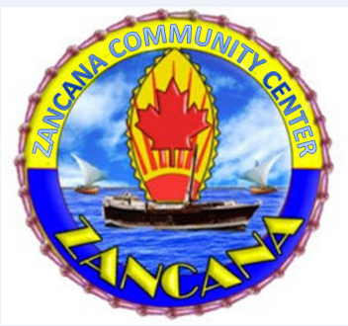
Zancana Community Center Masjid project

32 River Street Ontario Canada m3c1l2 +1 647 866 4312

 | Donor name
 | Address
 | City
 | State/Province
 | Postal code
 | Phone
 | Total pledge amount

 | Type of donation
 | Description
 | Value

Thank you for your generous support!

 | 0

